报价单
Quotation Sheet
To： |  |  |  |  |  |  |  |  |  | From： |  |  | Baolan Electronic Limited
 |  |  |  |  |  |  |  |  |  | Contact：
ATTN： |  |  |  |  |  |  |  |  |  | Tel:
 |  |  |  |  |  |  |  |  |  | Email:
Date： |  | 2025-11-27 |  |  |  |  |  |  |  | Quotation No.： |  |  | TF20251127015

Product Basic Information
1 | Material： |  | FR4 |  |  |  |  |  |  |  |  | BoardThickness(mm)： |  |  |  | 1.60
2 | Finished Cu (OZ)： |  | 1/1 |  |  |  |  |  |  |  |  | Surface Treatment： |  |  |  | HASL
3 | Solder Mask Color/Type： |  | Black |  |  |  |  |  |  |  |  | Silkscreen Mask Color/Type: |  |  |  | white
4 | Min. Trace/space(mil)： |  | 10/10+ |  |  |  |  |  |  |  |  | Min. Holes(mm)： |  |  |  | 0.305
5 | Via Process |  | Tenting Vias
6 | Special Remarks： |  | 1.不含运费、组装、测试及体积大、特小板、包装等特殊费用。

Item | Project name |  |  | Layer | Unit Size(mm) |  | Array Size(mm) |  | U/P | Qty (pcs) | Volume (㎡） | Unit Price | NRE Cost | E-test &Tooling Cost | Assembly Cost | Components Cost | Antistatic bag | Shipping Cost | LeadTime (WDS) | Total
1 | Gerber_Manche-2024_PCB-MANCHE-V6_2025-11-26 |  |  | 2 | 54.48 | 46.40 | 118.96 | 139.20 | 6 | 3000 | 8.279616 | $0.27 | $39.50 | $0.00 | $1,443.48 | $2,635.29 |  |  | 19 | $4,928.27

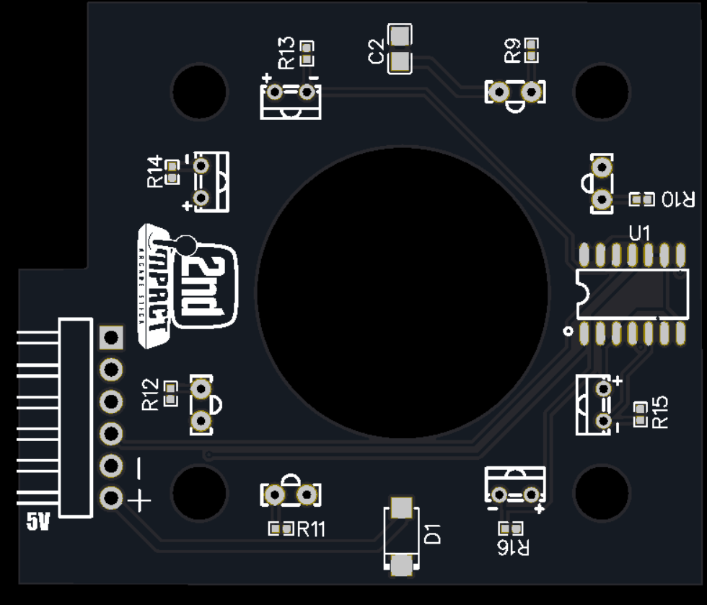
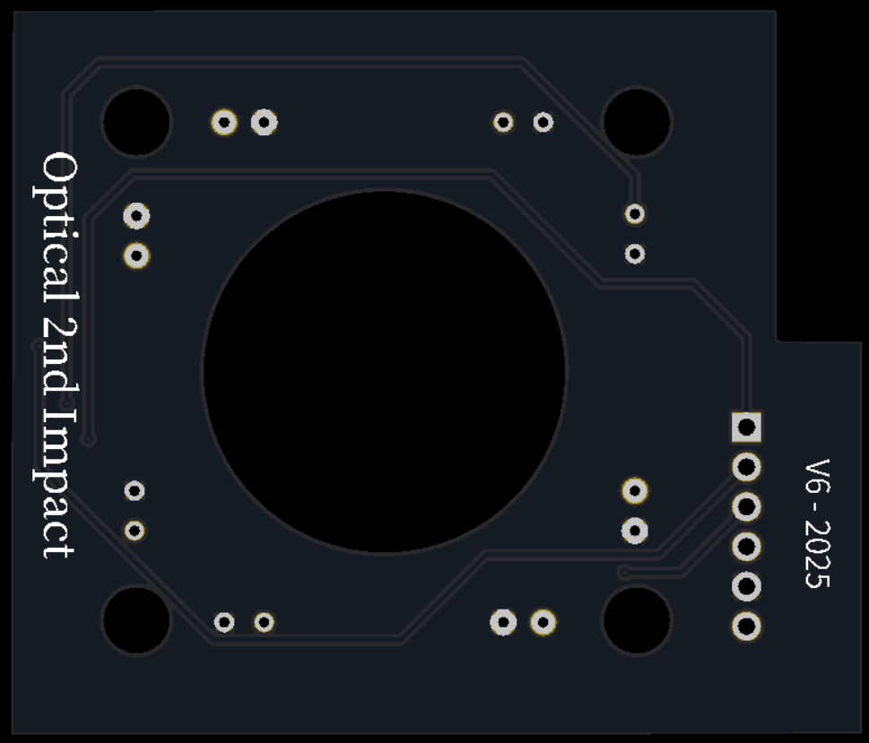
Remarks： The quote is with EXW terms. No repeated E-test chargefor the same products in a 12 months order cycle.
*** | All other items NOT mentioned above, IPC-600K class II and IPC-6012E class2 standards will follow.
Important Notes：
1 | Payment Terms: Payment in advance by T/T
2 | Working Days means from Monday to Friday (Chinese public holidays excluded)
3 | Lead Time means from the date of comfirming EQs to shipping date.
4 | All quotes are based upon documentations from the customer.
5 | Validity period for this quotation: 3 business days.
LOOKING FORWARD TO RECEIVING YOUR ORDER SOON, AND HAVE A NICE DAY!
Prepare: |  |  |  |  |  |  |  |  |  | Approved:

